1. Title Page
[Instacart Grocery Basket Analysis]

Project Name: Instacart Grocery Basket Analysis
Date: 10/24/2024
Analyst Name: (Peter) Jia Sing Guan

Contents:
Population Flow
Consistency checks
Wrangling steps
Column derivations
Visualizations
Recommendations

Citation: “The Instacart Online Grocery Shopping Dataset 2017”, Accessed from www.instacart.com/datasets/grocery-shopping-2017 via Kaggle on <10/29/2024>.

Disclaimer: Note: Instacart is a real company that’s made their data available online. However, the contents of this project brief have been fabricated for the purpose of this Achievement.

2. Population Flow
Title page

Population flow

Exclusion flag
Condition: max_order < 5
Obervations to be removed: 7,990,046
Final total count of order_products_all: 24,415,076

Orders_products_combined
Orders_products_merged
Orders_products_all

Total: 32,405,122
Total: 32,434,489
Total: 32,405,122

1.) The grey boxes in the first row of the population flow represent the original data sets as they were when you downloaded them. In the Total fields you need to add the count of the rows when you imported the data set into Jupyter.
2.) The second row of boxes (coloured) represents the data sets after you manipulated them, e.g., removed missing values and duplicates. In the Total fields you need to add the count of the rows after conducting these operations. This offers a visual oveview of how the data flows throughout the data consistency checks.
3.) The third row, where also the arrows are coloured, represents the merges you performed between the datasets. In the Total fields you need to add the count of the rows in the merged datasets, so that you end up with the final dataset (in the red box). Keep in mind the final dataset should be without exclusions (based on the exclusion flag).

3. Consistency checks
 |  |  |  | Title page
Consistency checks

Dataset | Missing values | Missing values treatment | Duplicates
orders | 206,209 | No treatment | 0
products | 16 | Permanently dropped | 5
orders_products_prior | 0 | No treatment | 0
customers | 11,259 | No treatment | 0

4. Wrangling steps
 |  |  |  | Title page
Wrangling steps

Columns dropped | Columns renamed | Columns' type changed | Comment/Reason
eval_set
 | order_dow |  | changed to 'orders_day_of_week'
 |  | order_id | changed datatype to an 'object'
 |  | user_id | changed datatype to an 'object'
_merge |  |  | The column was leftover from the previous dataframe
 | First name |  | Renamed to 'first_name' for consistent naming for all column names, used underscore to represent a space
 | Surnam |  | Renamed to 'last_name' for consistent naming for all column names, used underscore to represent a space
 | Gender |  | Renamed to 'gender' for consistent naming for all column names
 | STATE |  | Renamed to 'state' for consistent naming for all column names
 | Age |  | Renamed to 'age' for consistent naming for all column names
 | n_dependants |  | Renamed to 'number_of_dependents' for consistent naming for all column names
 | fam_status |  | Renamed to 'marital_status' for consistent naming for all column names
Unnamed: 0.1 |  |  | Dropped due to no data on the column.
Unnamed: 0_x |  |  | Dropped due to no data on the column.
Unnamed: 0_y |  |  | Dropped due to no data on the column.

5. Column derivations
 |  |  |  | Title page

Column derivations and aggregations

In this tab you should add tables below that the frequences of flags/label variables that you produced after deriving them. NB: don't do this for continuous variables, only for flags.
Dataset | New column | Column/s it was derived from | Conditions
df_ords_prods_merge | busiest_day | orders_days_of_week | From the 'result' loop
df_ords_prods_merge | slowest_and_busiest_days | orders_days_of_week | From the 'result_1' loop
df_ords_prods_merge | busiest_period_of_day | order_hour_of_day | From the 'result_hour' loop
ords_prods_merge | max_order | user_id, order_number | "Group by" and "Transform" functions
ords_prods_merge | loyalty_flag | max_order | max order value
ords_prods_merge | average_prices | user_id, prices | "Group by" and "Transform" functions
ords_prods_merge | spending_flag | average_prices | average prices value
ords_prods_merge | order_frequency | user_id, days_since_prior_order | "Group by" and "Transform" functions
ords_prods_merge | order_frequency_flag | order_frequency | order_frequency value
customer_merged | region | state | From the 'region_result' loop
customer_merged | exclusion_flag | max_order | max order value
customer_merged | customer_profile | age, number_of_dependents, income | From the "create_customer_profile" loop

6. Visualizations
 |  | Title page

Visualisations

In this tab you should include all the visualtions from Exercises 4.9 and 4.10, alongside the questions from the project brief that they answer. Include any commentary on the relationship between different variables.

1. The sales team needs to know what the busiest days of the week and hours of the day are (i.e., the days and times with the most orders) in order to schedule ads at times when there are fewer orders.

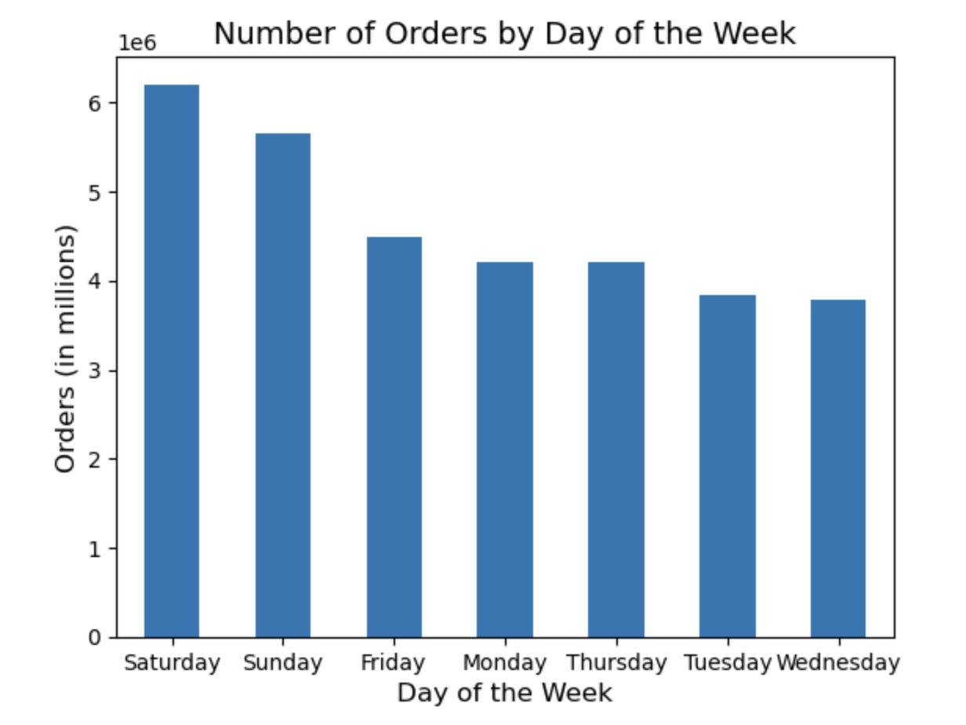
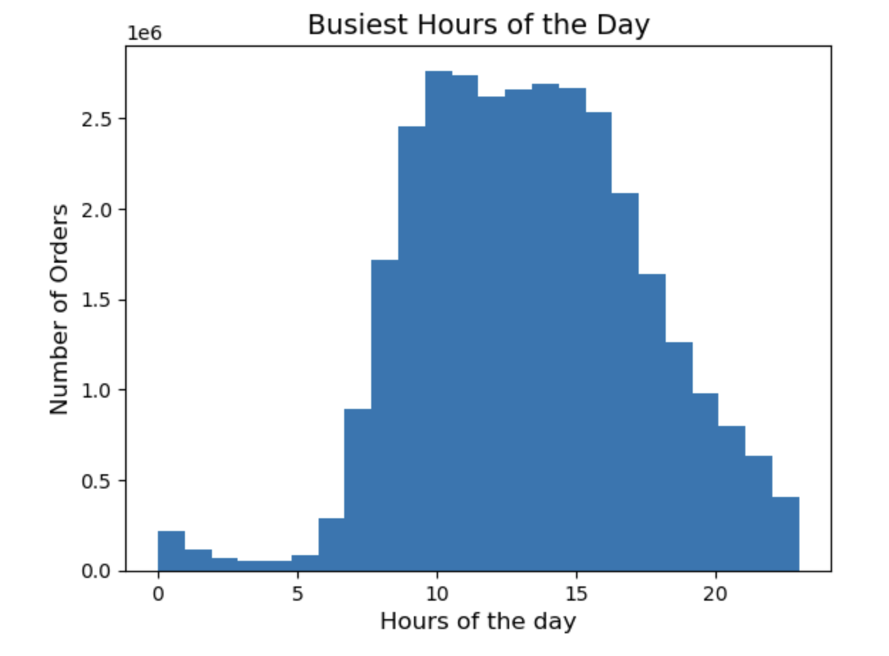

 | Commentary: The busiest days of the week are Saturday, Sunday, Friday, and Monday. The least busiest days of the week are Thursday, Tuesday, and Wednesday. The busiest hours of the day are between 7:00am - 6:00pm. The least busiest hours of the daty are between 7:00pm - 6:00am

2. They also want to know whether there are particular times of the day when people spend the most money, as this might inform the type of products they advertise at these times.

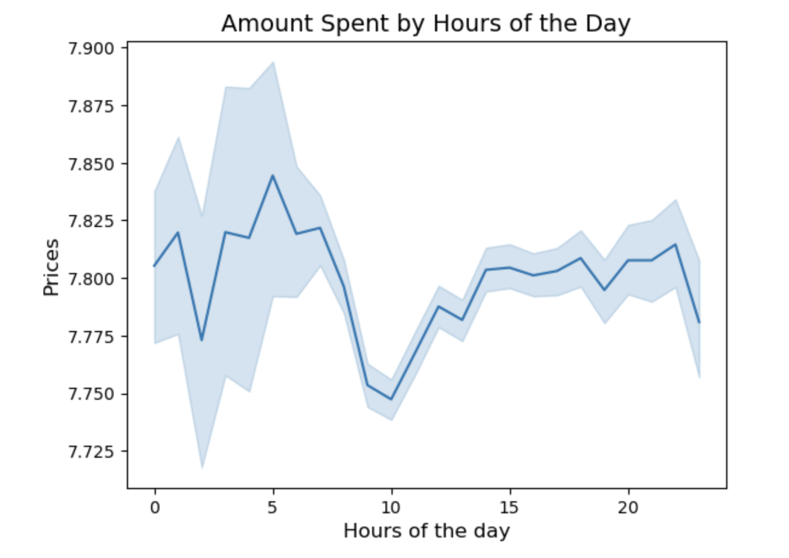

 | Commentary: The hours of the day where people spend the most money is 5:00am and between 1:00pm - 9:00pm. The hour of the day where people spend the least amount of money is 10:00am.

3. Instacart has a lot of products with different price tags. Marketing and sales want to use simpler price range groupings to help direct their efforts.
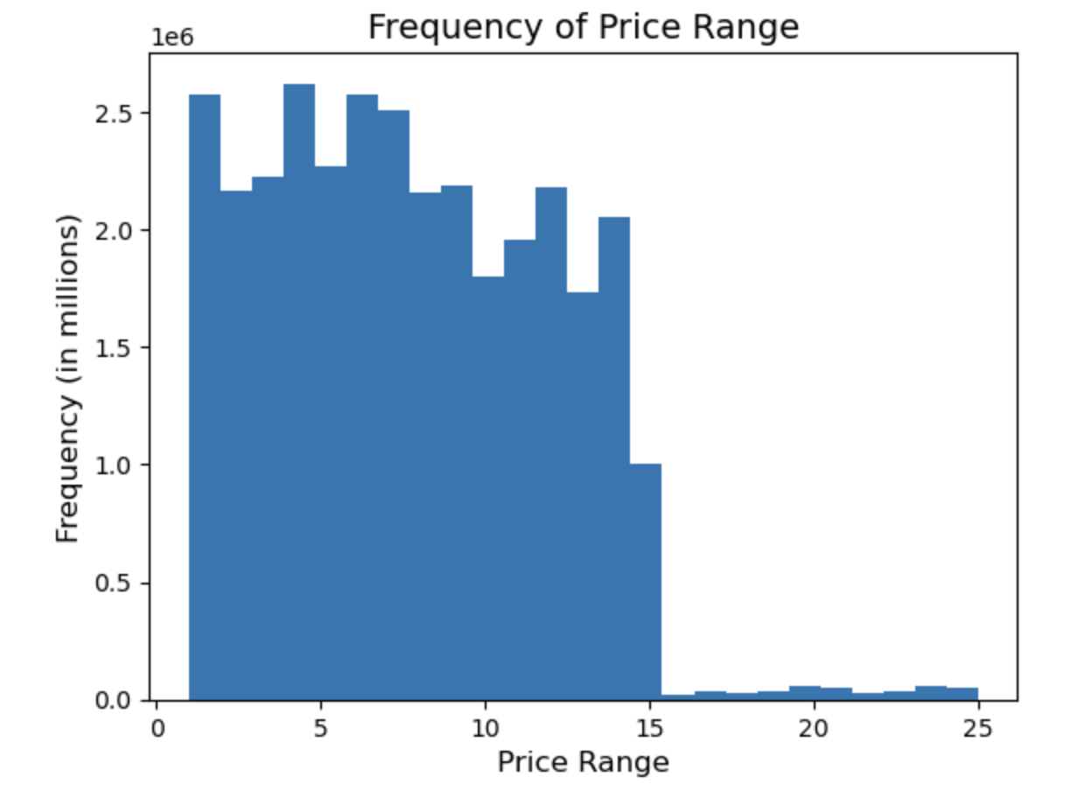

 | Commentary: Products in the price range of 1 - 15 have the highest amount of sales.

4. Are there certain types of products that are more popular than others? The marketing and sales teams want to know which departments have the highest frequency of product orders.

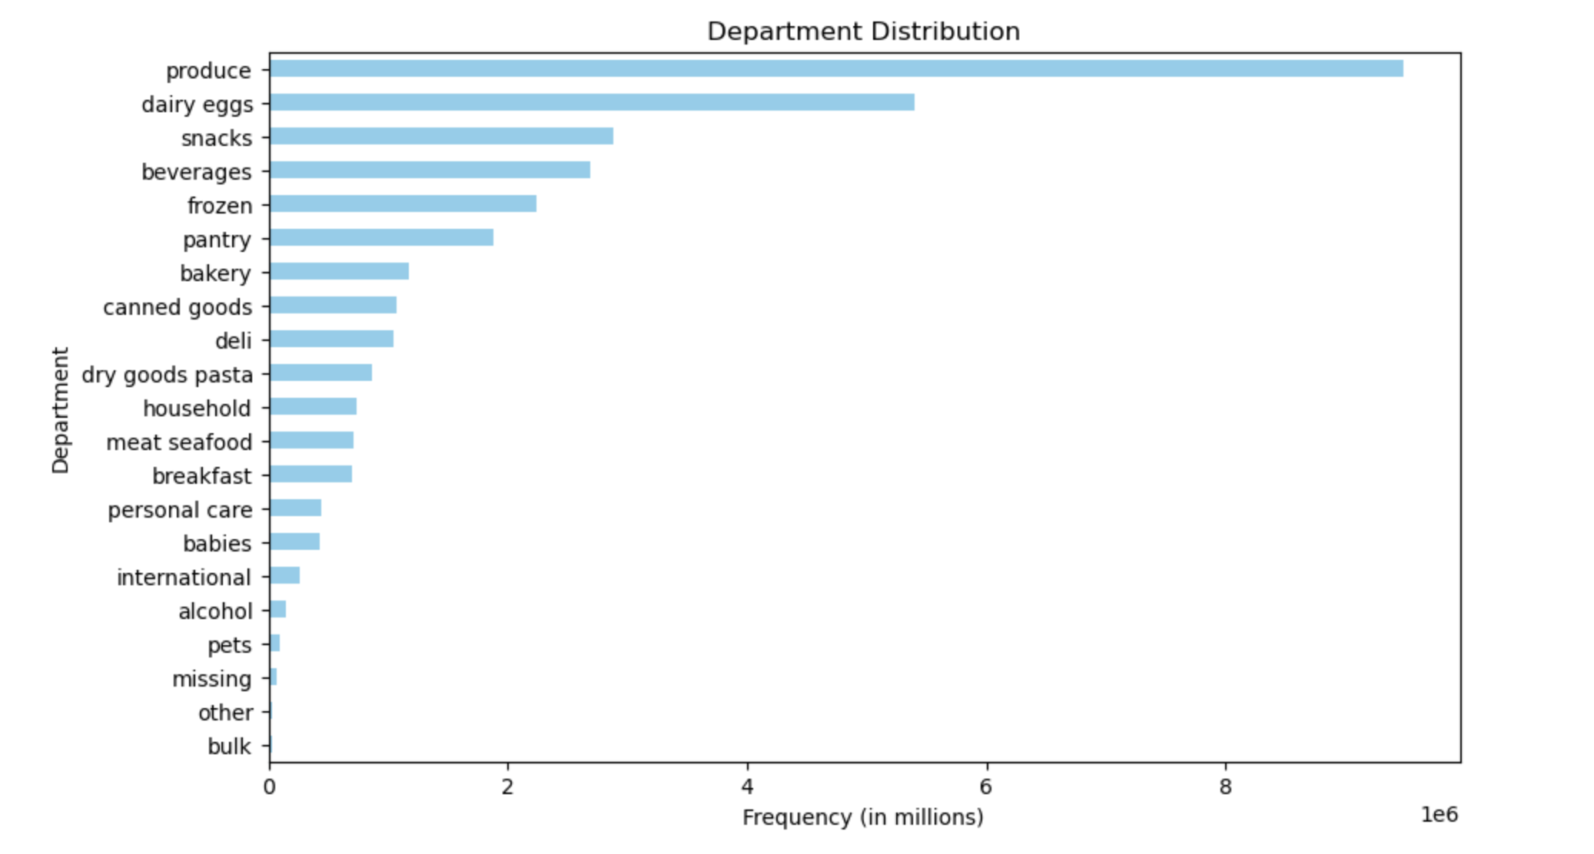

 | Commentary: The departments that have the highest frequency of product orders are: produce, dairy eggs, snacks, beverages, frozen, and pantry.

5. What’s the distribution among users in regards to their brand loyalty (i.e., how often do they return to Instacart)?

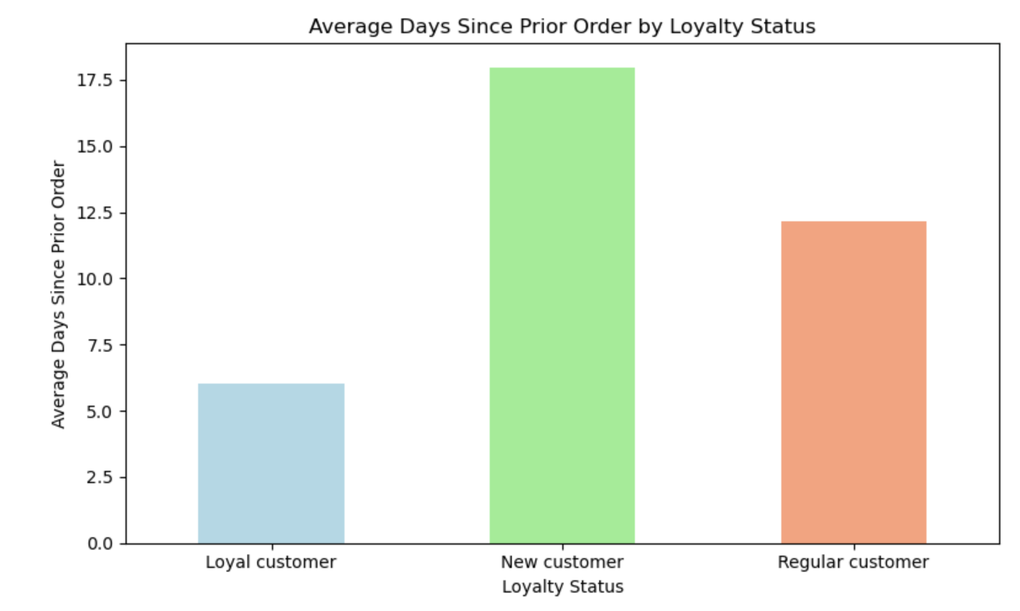

 | Commentary: Loyal customers return the most frequently to Instacart, followed by Regular customers, and then New customers.

6. Are there differences in ordering habits based on a customer’s loyalty status?

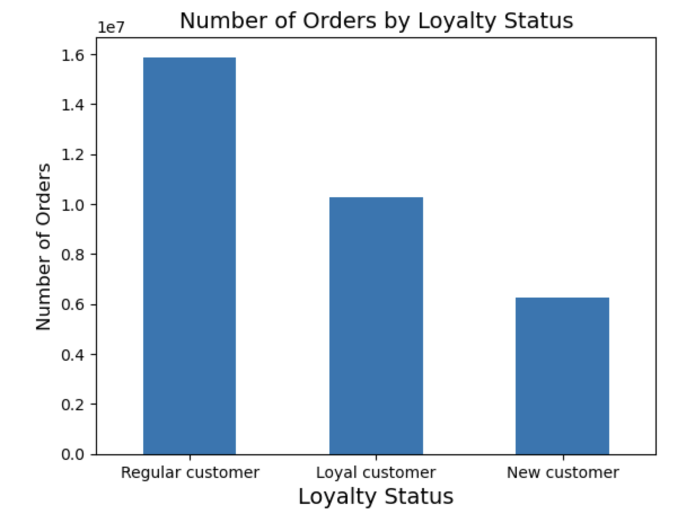

 | Commentary: Regular customers order the most, followed by loyal customers, and then new customers.

7. Are there differences in ordering habits based on a customer’s region?

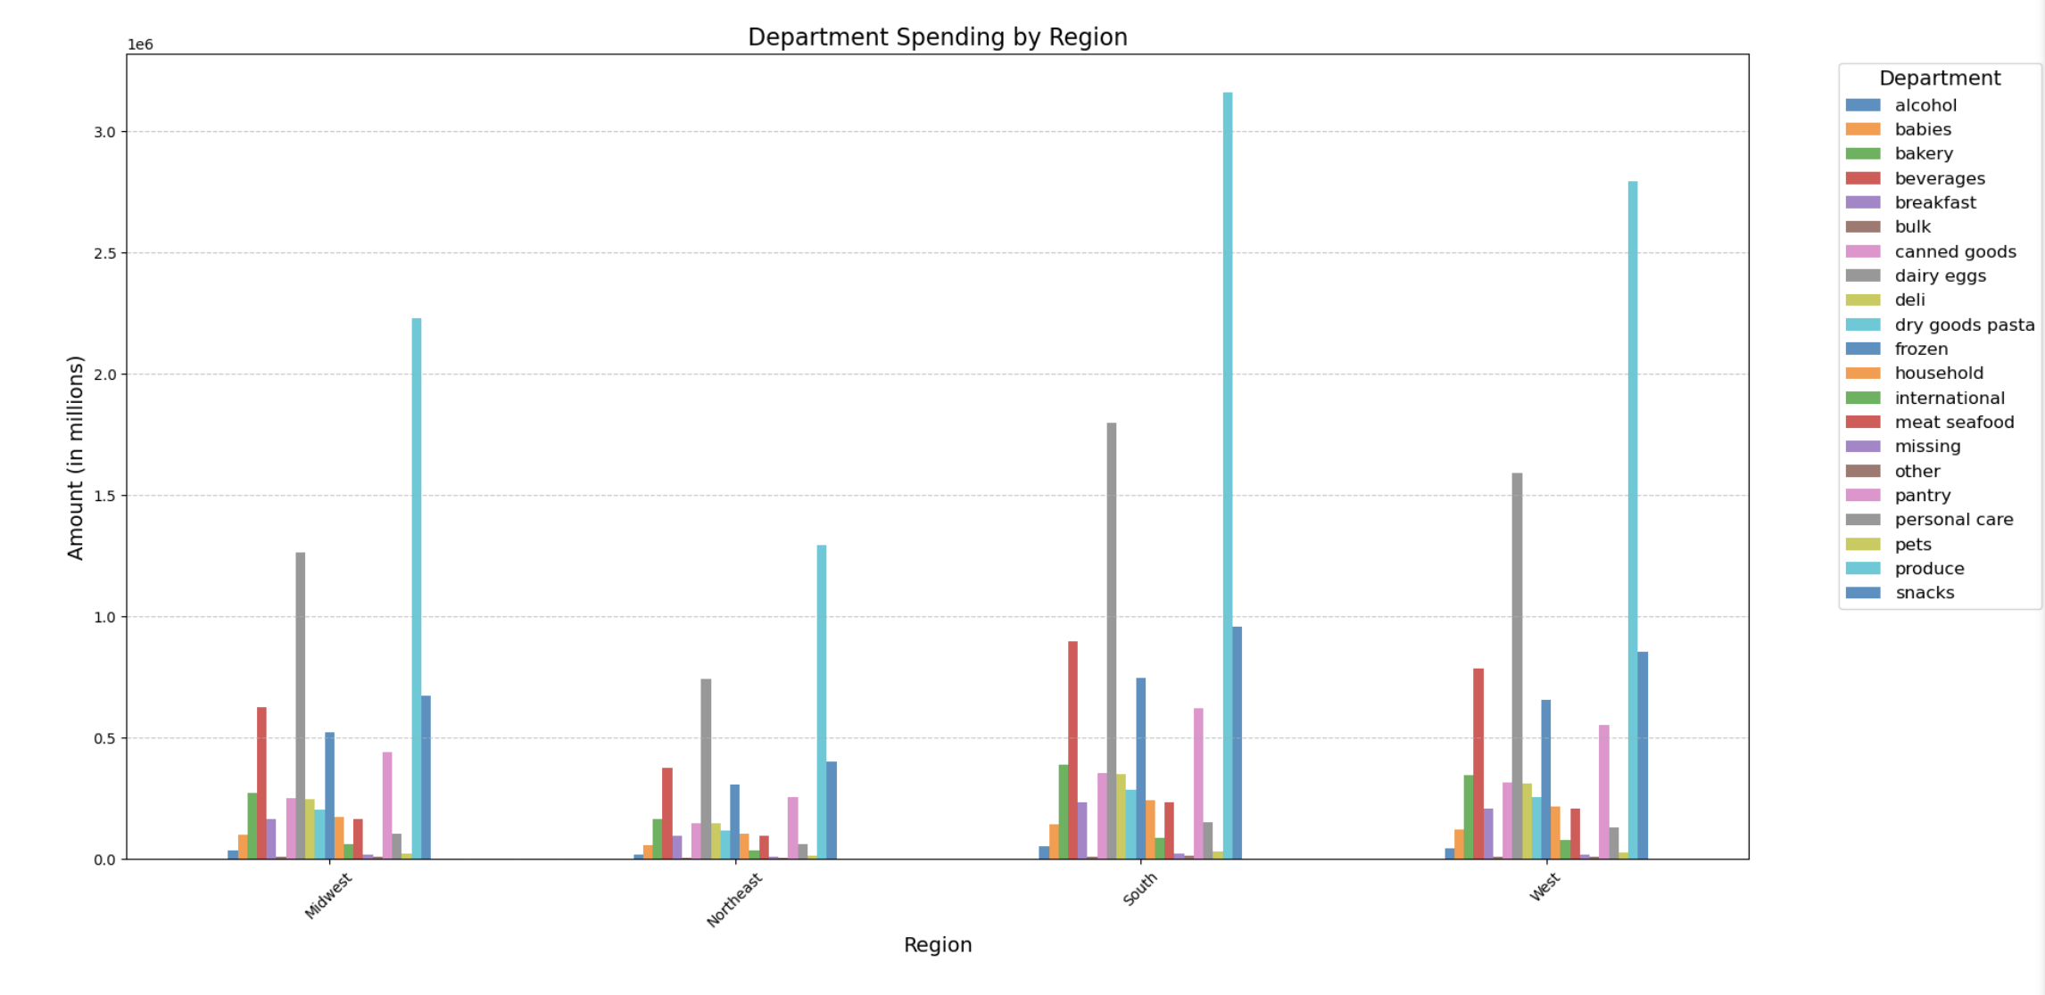

 | Commentary: There are no differenced in ordering habits based on a customer's region. Every region has produce as its top department, followed by dairy eggs as its second top department, and then beverages as its third.

8. What different classifications does the demographic information suggest? Age? Income? Certain types of goods? Family status?

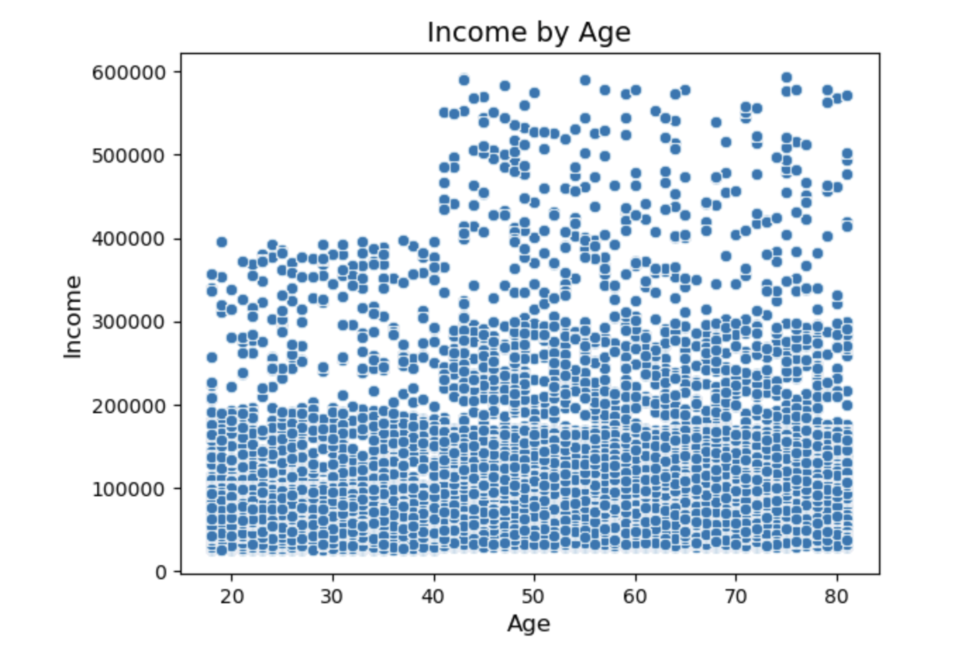

 | Commentary: The demographic information shows that as age increases, an individual's income is likely to increase as well.

9. What differences can you find in ordering habits of different customer profiles? Consider the price of orders, the frequency of orders, the products customers are ordering, and anything else you can think of.
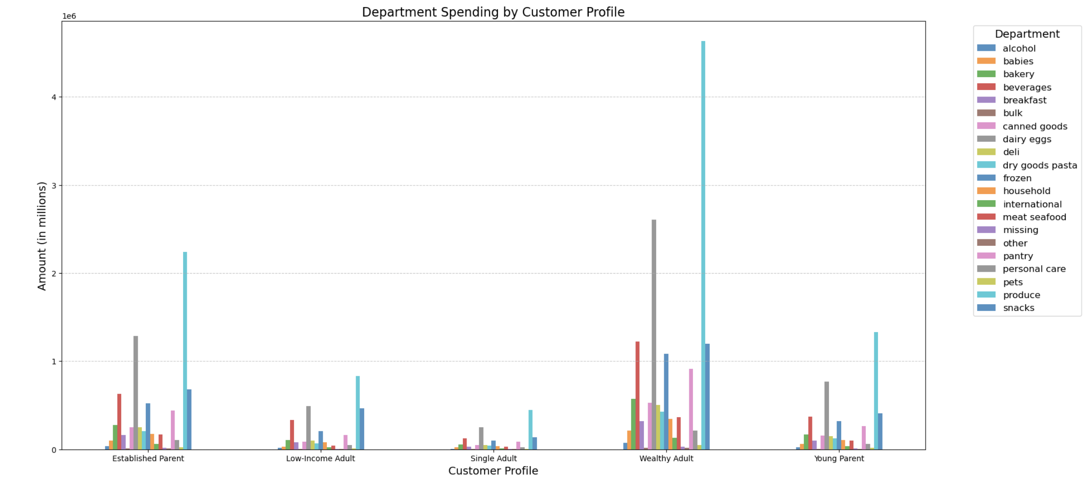

 | Commentary: Wealthy adults, overall, tend to spend more on all departments. There are no differences in ordering habits of different customer profiles.

7. Recommendations
Title page

Recommendations

Key Question 1: The sales team needs to know what the busiest days of the week and hours of the day are (i.e., the days and times with the most orders) in order to schedule ads at times when there are fewer orders.

Commentary: The busiest days of the week are Saturday, Sunday, Friday, and Monday. The least busiest days of the week are Thursday, Tuesday, and Wednesday. The busiest hours of the day are between 7:00am - 6:00pm. The least busiest hours of the day are between 7:00pm - 6:00am.
Recommendation: The sales team should schedule ads from Wednesday - Thursday (the least busiest days) at the least busiest hours which are between 7:00pm - 6:00am.

Key Question 2: They also want to know whether there are particular times of the day when people spend the most money, as this might inform the type of products they advertise at these times.

Commentary: The hours of the day where people spend the most money is 5:00am and between 1:00pm - 9:00pm. The hour of the day where people spend the least amount of money is 10:00am.
Recommendation: The marketing team should increase advertising of high priced items at the hours of the day where people spend the most money ( 5:00am and between 1:00pm - 9:00pm) to increase sales of their products.

Key Question 3: Instacart has a lot of products with different price tags. Marketing and sales want to use simpler price range groupings to help direct their efforts.

Commentary: Products in the price range of 1 - 15 have the highest amount of sales.
Recommendation: The marketing and sales team should direct their efforts to boosting sales of products in the 15 - 25 price range to increase overall sales.

Key Question 4: Are there certain types of products that are more popular than others? The marketing and sales teams want to know which departments have the highest frequency of product orders.

Commentary: The departments that have the highest frequency of product orders are: produce, dairy eggs, snacks, beverages, frozen, and pantry.
Recommendation: The marketing and sales teams should focus on the top departments (produce, dairy eggs, snacks, beverages, frozen, and pantry) to increase overall sales.

Key Question 5: What’s the distribution among users in regards to their brand loyalty (i.e., how often do they return to Instacart)?

Commentary: Loyal customers return the most frequently to Instacart, followed by Regular customers, and then New customers.
Recommendation: The marketing and sales team should focus their efforts on converting new customers into regular/loyal customers by offering deals for the popular and least popular departments.

Key Question 6: Are there differences in ordering habits based on a customer’s loyalty status?

Commentary: Regular customers order the most, followed by loyal customers, and then new customers.
Recommendation: The marketing and sales team should focus their efforts on increasing the number of orders from loyal/new customers by starting a rewards program that provides deals on the popular departments as well as the least popular departments in order to increase overall sales.

Key Question #7: Are there differences in ordering habits based on a customer’s region?

Commentary: There are no differenced in ordering habits based on a customer's region. Every region has produce as its top department, followed by dairy eggs as its second top department, and then beverages as its third.
Recommendation: The marketing and sales team should focus their efforts on boosting the less popular departments for all regions in order to increase overall sales.

Key Question 8: What different classifications does the demographic information suggest? Age? Income? Certain types of goods? Family status?

Commentary: The demographic information shows that as age increases, an individual's income is likely to increase as well.
Recommendation: The marketing and sales team should focus their efforts on marketing their higher priced products to older individuals and lower priced products to younger individuals to maximize marketing efficiency.

Key Question #9: What differences can you find in ordering habits of different customer profiles? Consider the price of orders, the frequency of orders, the products customers are ordering, and anything else you can think of.

Commentary: Wealthy adults, overall, tend to spend more on all departments. There are no differences in ordering habits of different customer profiles.
Recommendation: The marketing and sales team should market higher priced products to wealthy adults and established parents, and market lower priced items to low-income adults, single adults, and young parents to increase marketing spend efficiency and boost overall sales.

